Gradient Descent Method
X | Y | Y_Pred | Erro | erro^2
1 | 4 | 2.4762187997 | 1.5237812003 | 2.3219091465
-2 | 3 | -1.1424496773 | 4.1424496773 | 17.159889329
3 | 6 | 4.8886644509 | 1.1113355491 | 1.2350667026
4.5 | 8 | 6.6979986894 | 1.3020013106 | 1.6952074129
0 | 2 | 1.269995974 | 0.73000402598 | 0.53290587795
-4 | -3 | -3.5548953285 | 0.55489532853 | 0.30790882562
-1 | -2 | 0.063773148381 | -2.0637731484 | 4.259159608
4 | 7 | 6.0948872766 | 0.90511272344 | 0.81922904214
-1 | 2.5 | 0.063773148381 | 2.4362268516 | 5.9352012725

w (linear) | 1.178 |  | w (dif) | -2.39E-02
b (linear) | 2.467 |  | b (dif) | 4.85E-01

w (Gradient Descent) | 1.21E+00 |  | w' | 1.207
b (Gradient Descent) | 1.27E+00 |  | b' | 1.272
CLICK TO RUN Gradient Descent Method
MSE -> J (Θ) | 3.81E+00
Learning Rate | 1.00E-03
N_Iter | 100
dloss/dw= | -7.69E-01
dloss/db= | -2.36E+00
$$y=w∗x+b$$

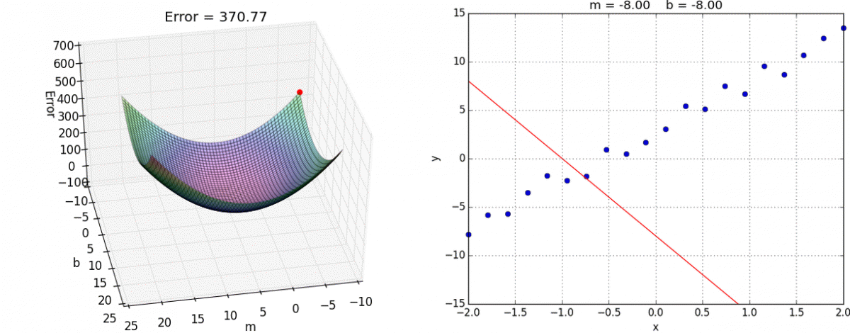
$$J\left(w,b\right)=MSE= \frac{1}{n}∗\sum_{i=1}^{n}{{\left(y_{i}−\left(w.x_{i}+b\right)\right)}^{2}}$$

$$\frac{∂J}{∂w}= \frac{2}{n}∗\sum_{i=1}^{n}{−x_{i}∗\left(y_{i}−\left(w.x_{i}+b\right)\right)}$$

$$\frac{∂J}{∂b}= \frac{2}{n}∗\sum_{i=1}^{n}{−\left(y_{i}−\left(w.x_{i}+b\right)\right)}$$

Fonte: https://alykhantejani.github.io/images/gradient_descent_line_graph.gif

